Case #1
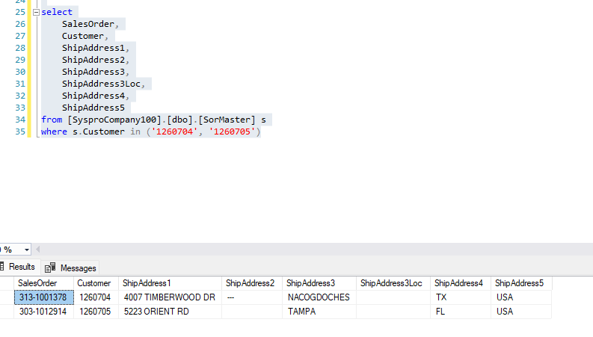
Justin Pope Dev Test
Test Case No. |  | 1
Process |  | eCat Staging Service
Test Consideration |  | 1) SSMS 2) Service running
Test Condition |  |  | Data Used | How To Verify | Actual Results
Tasks
1 |  | Staged records to be processed |  | query database | screenshots below
2 |  | Service Runs and Processes correctly |  | 1) Application does not error out 2) Validate changes in Syspro 3) SSMS | screenshots below
Configuration/Data Setup for Testing Scenario

Verification

Test Cast Screens Shots Before and After

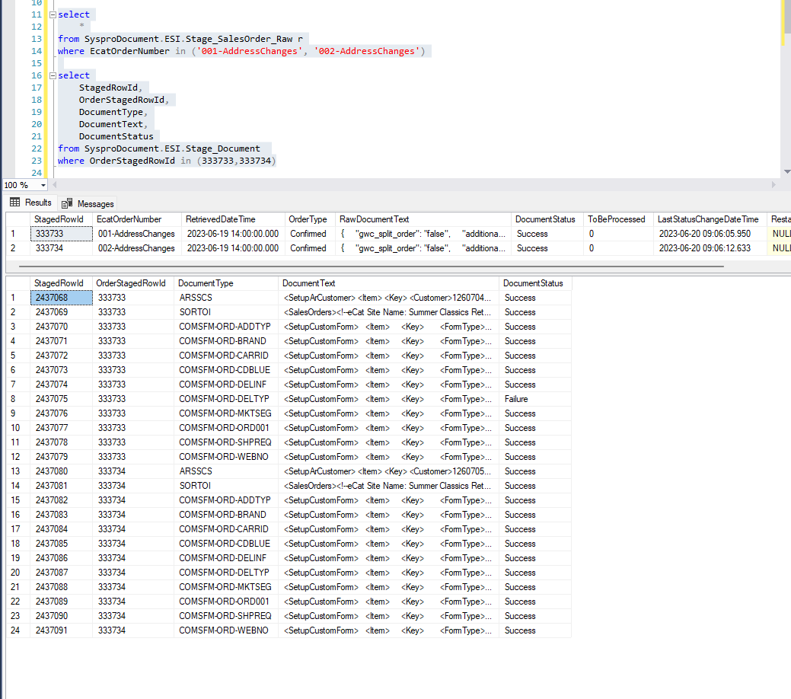

 | Customers Created
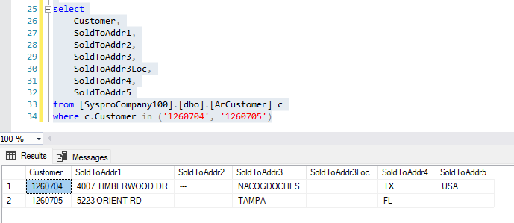

 | Sales Orders Created

Case #2
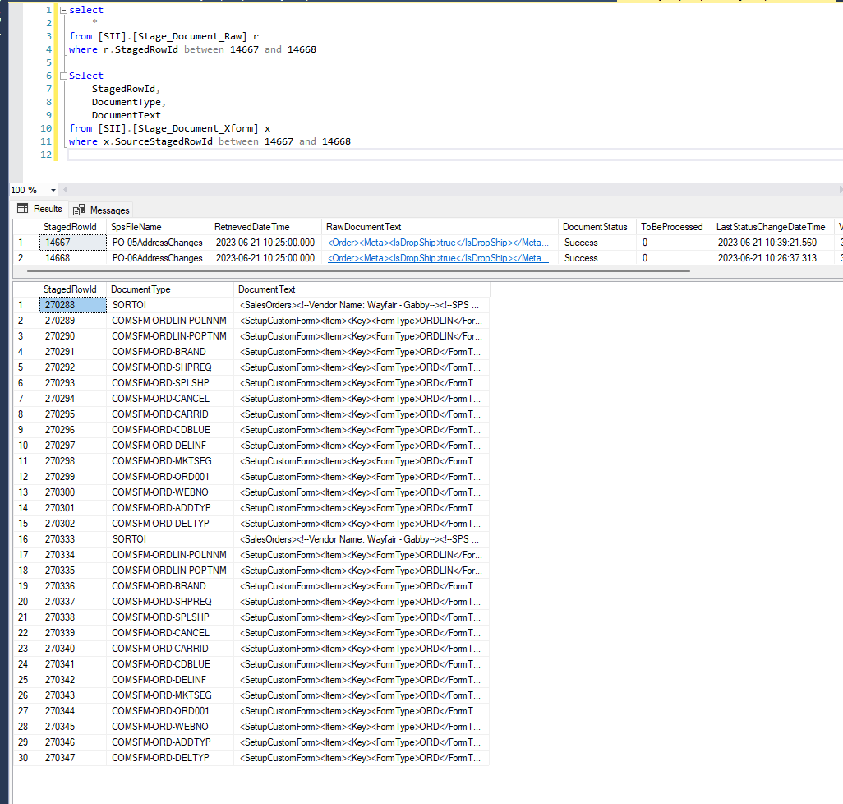
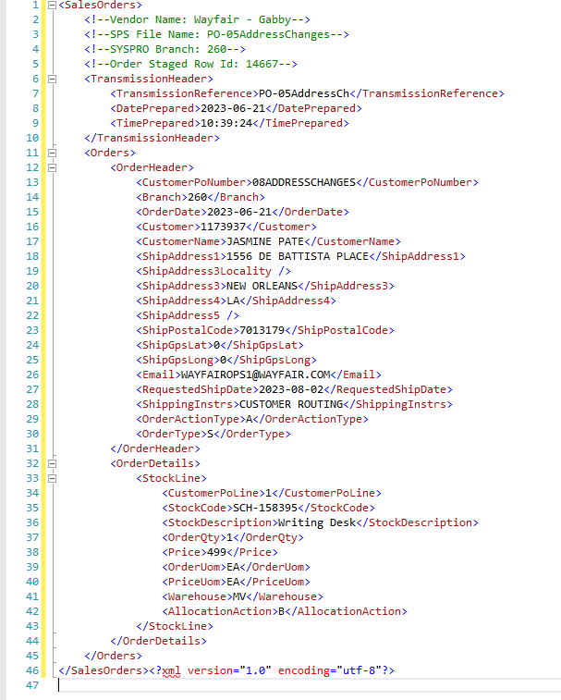
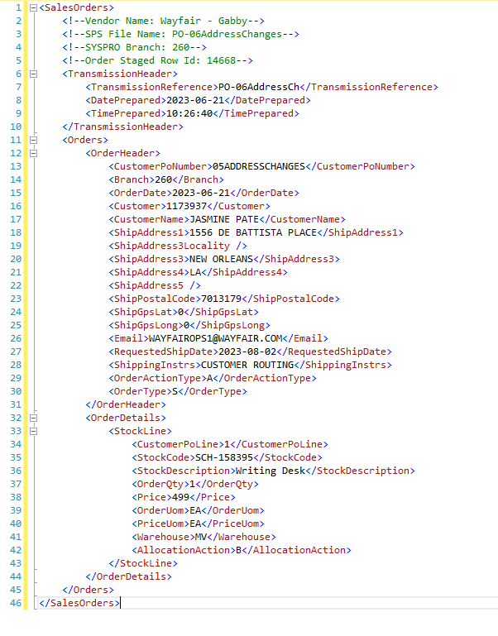
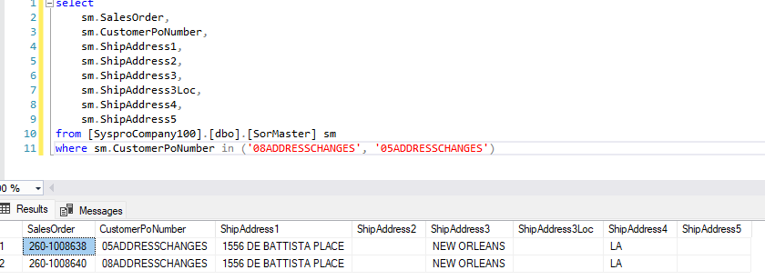
Justin Pope Dev Test
Test Case No. | 2
Process | SPS - EDI - System
Test Consideration | 1) SSMS 2) Service running
Test Condition |  | Data Used | How To Verify | Actual Results
Tasks
1 | Staged records to be processed | dev data | query database | screenshots below
2 | Service Runs and Processes correctly |  | 1) Application does not error out 2) Validate changes in Syspro 3) SSMS | screenshots below
Configuration/Data Setup for Testing Scenario

Verification

Test Cast Screens Shots Before and After

